วิธีการกรอกข้อมูล
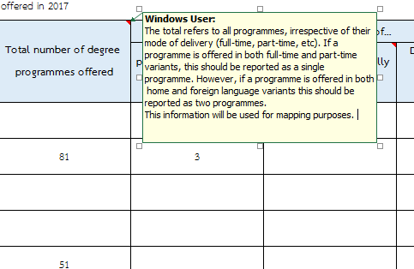
วิธีการกรอกข้อมูล
1. กรุณาเติมข้อมูลในช่องสีส้ม ปี 2018
2. หากไม่มีข้อมูล กรุณาเติม "0"
3. ข้อมูลไม่พร้อมใช้งาน กรุณาเลือก "data not available box"
4. กรุณาอ่านรายละเอียดของแต่ละหัวข้อเพิ่มเติมได้ที่กล่องแสดงความคิดเห็น ตามตัวอย่าง

